Weight estimates v0
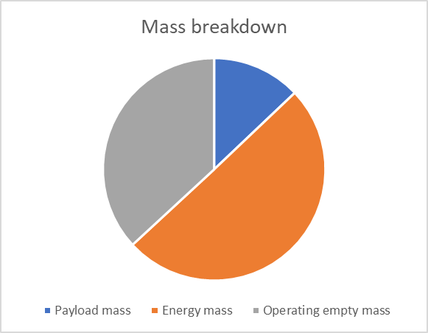
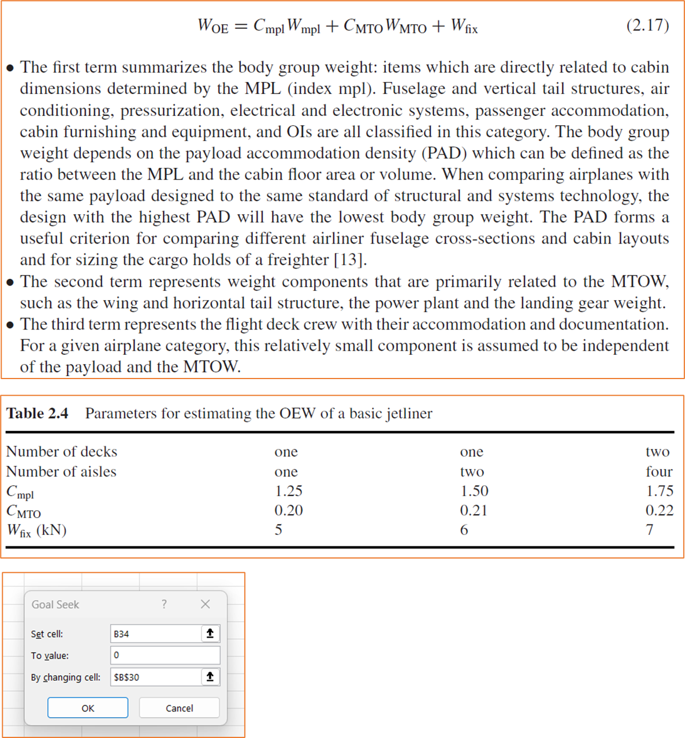
Equation for empty-weight estimation based on Torenbeek, Advanced Aircraft Design (2013), Equation 2.17
Applicable for tube-and-wing configurations with ENERGY MASS INSTALLED IN WING

Input
Parameter | Value | Units | Notes
Payload mass | 9000 | kg | At max payload
Energy mass | 35000 | kg | Energy mass at max payload and MTOM
Aircraft type | Single aisle | - | Select type
Gravity | 9.81 | m/s2

Formula coefficients per aircraft type
Aircraft type | C_MPL [-] | C_MTO [-] | W_fix [N] | Notes
Single aisle | 1.25 | 0.2 | 5000 | From Torenbeek table 2.4
Twin-aisle (single deck) | 1.5 | 0.21 | 6000 | From Torenbeek table 2.4
Four-aisle (double deck) | 1.72 | 0.22 | 7000 | From Torenbeek table 2.4
Regional turboprop |  |  |  | Estimated from aircraft data
Commuter |  |  |  | Estimated from aircraft data
Business Jet |  |  |  | Estimated from aircraft data

Calculation of OEM and TOM
Coefficients used | 1.25 | 0.2 | 5000

Parameter | Value | Unit | Notes
Initial guess MTOM | 69688 | kg | For goal seek
Operating empty weight (OEW) | 252090 | N
Operating empty mass (OEM) | 25697 | kg
Maximum take-off mass (MTOM) | 69697 | kg
Residual | 0.00% | - | Goal seek until this box is zero!

Results
Parameter | Value in [kg] | % of MTOM | Notes
Payload mass | 9000 | 12.90%
Energy mass | 35000 | 50.20%
Operating empty mass | 25697 | 36.90% | Considered converged if residual < 1%
Maximum take-off mass | 69697 | 100% | Considered converged if residual < 1%

